Basic Logical
Logical Statements
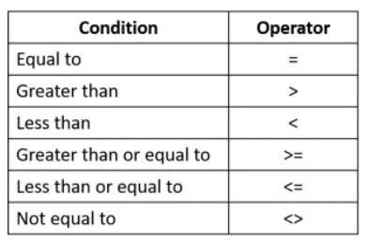
EXPENSES |  |  | Expenses over the following amount MUST be approved
Name | Total | Approval Required?
Deb Ashby | $800.00 | OK | Threshold: | $1,000.00
Adam Lacey | $1,200.00 | Approval
Mike Smith | $1,000.00 | Approval
Sarah Oxted | $750.00 | OK
Lucy Jones | $500.00 | OK
Claire Fisher | $800.00 | OK
Sam Cox | $1,300.00 | Approval

